Pos Relative
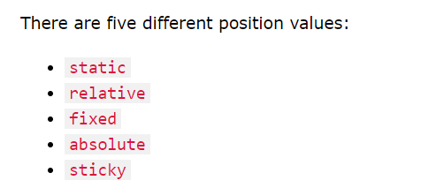

Not positioned in any special way; it is always positioned according to the normal flow of the page:

If you apply positioning rules like top orleft to an element that has a static position, those rules will be ignored

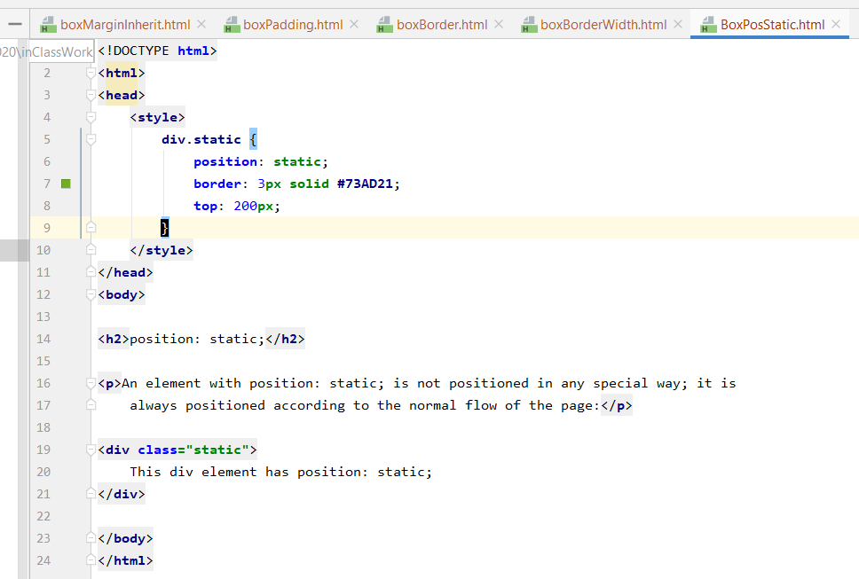
v

v



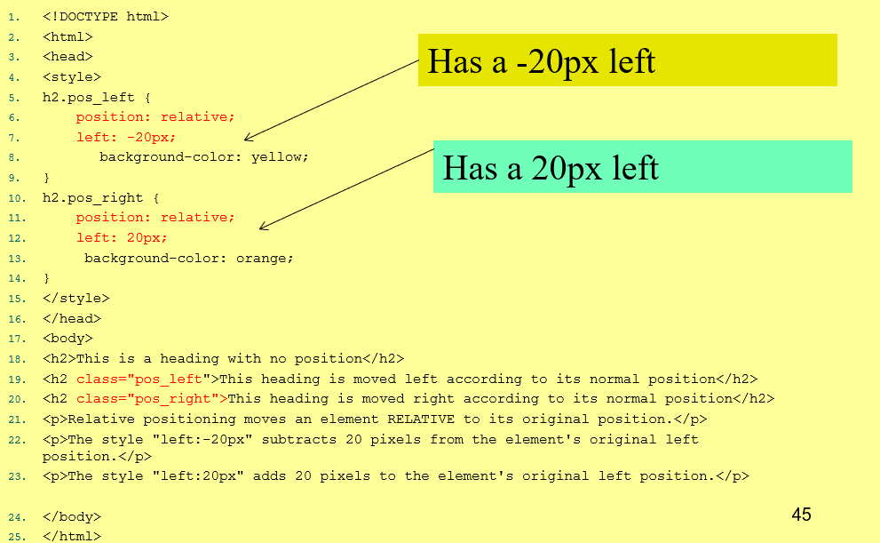

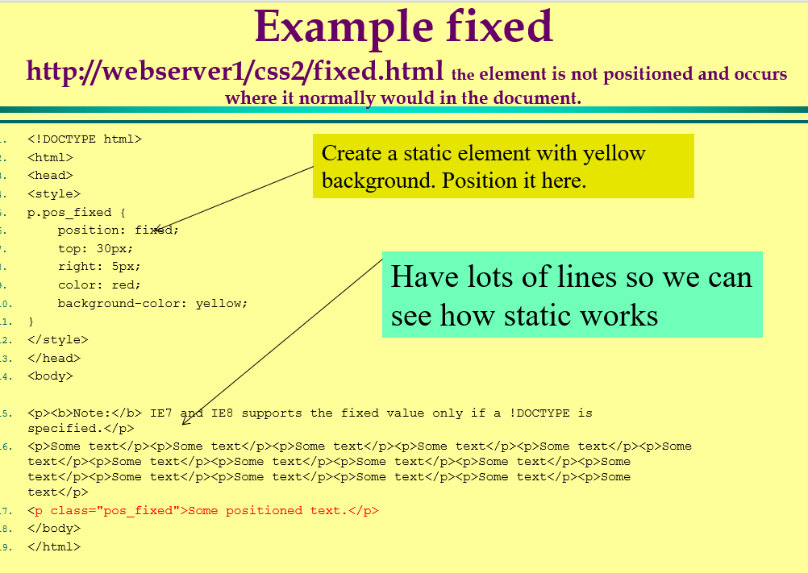

 | -

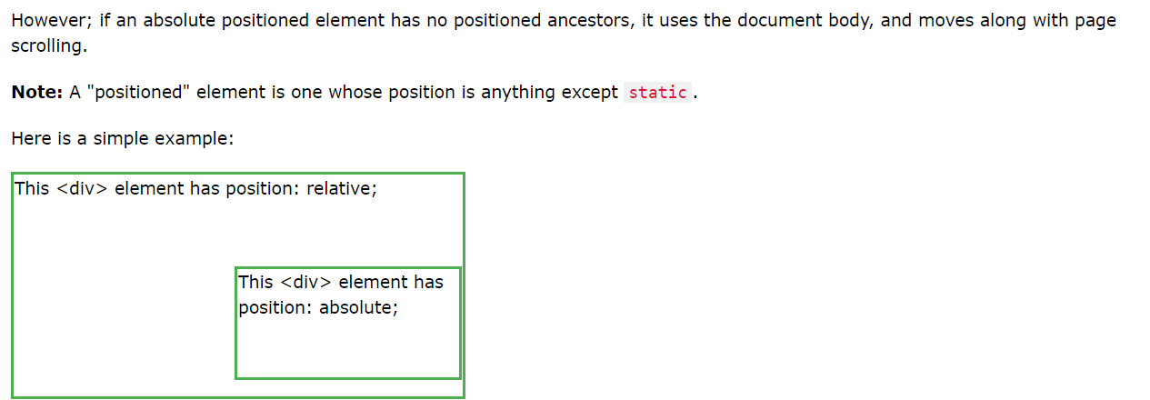

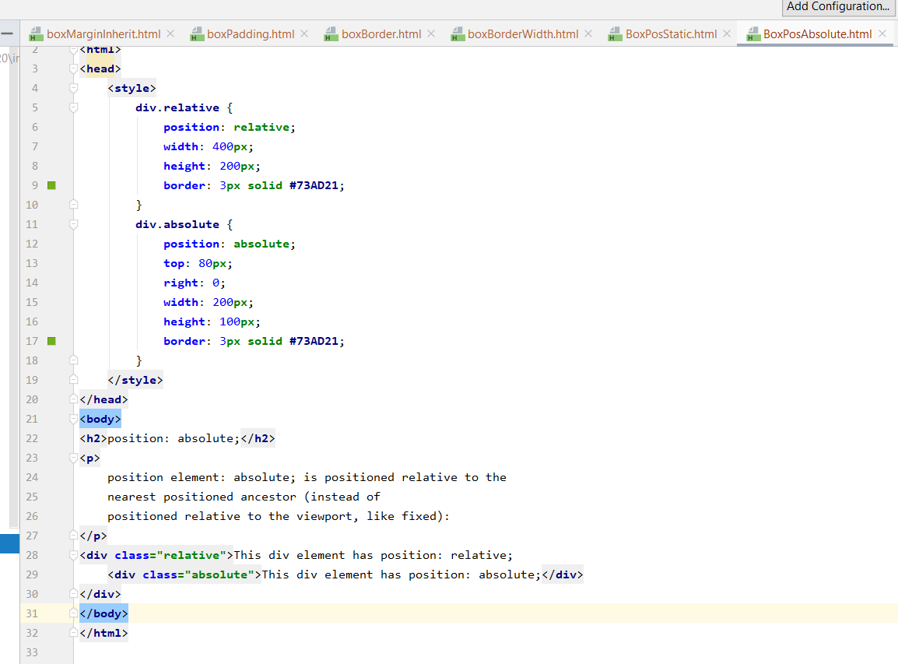

Move this abosute class outpuf the relateive class
and see what it does

 |  | s

RealtiveAbs
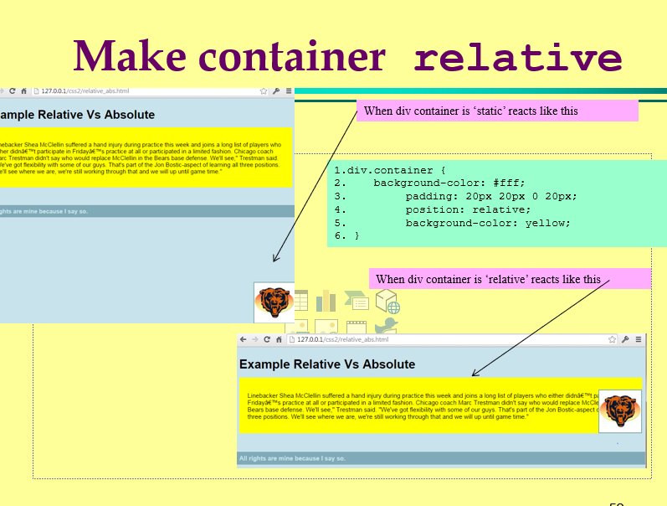
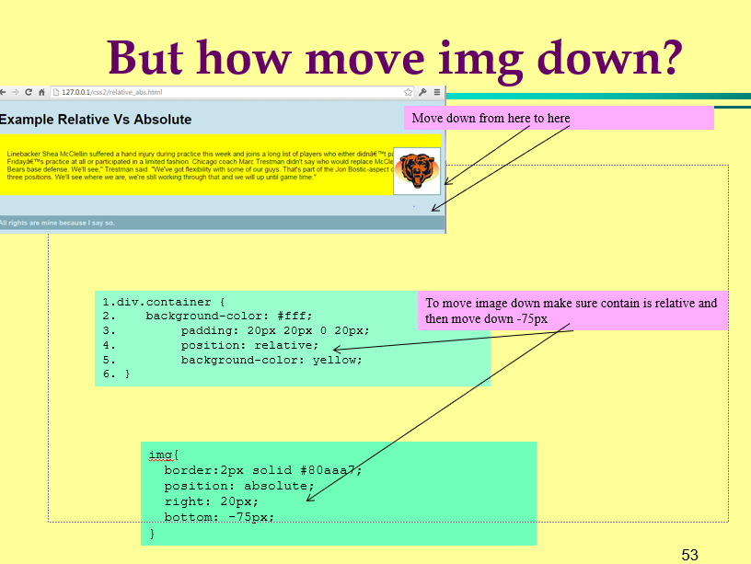
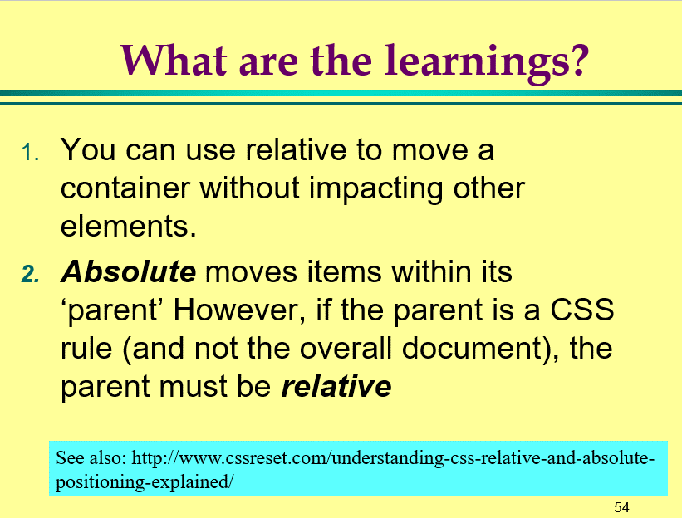
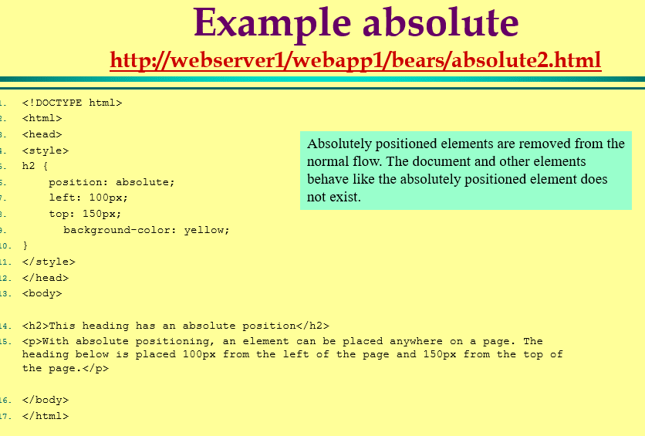
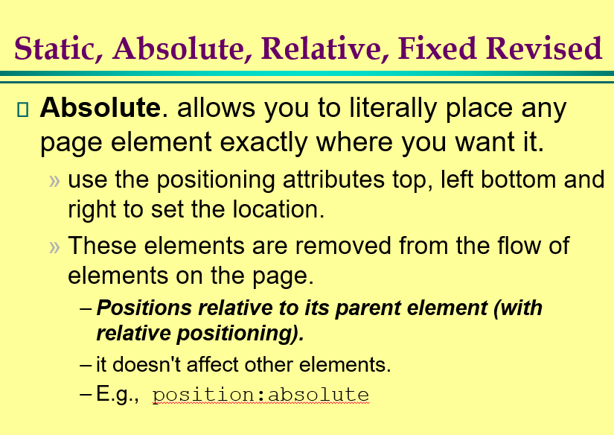

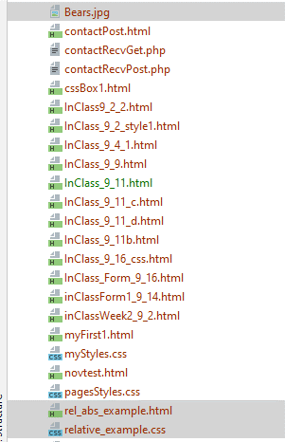

Will need these files ... in the course notes

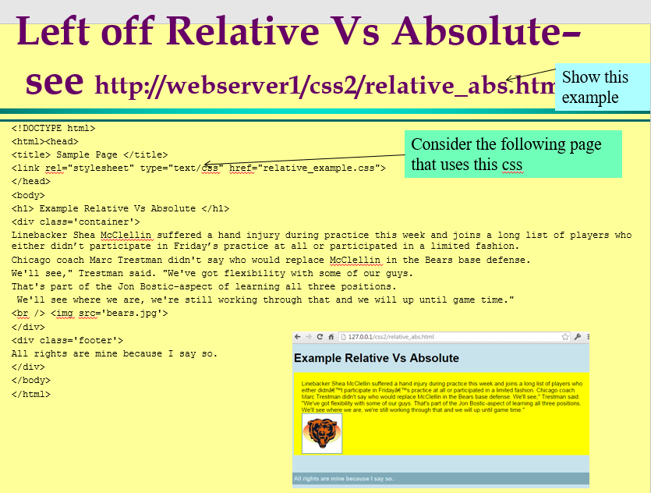

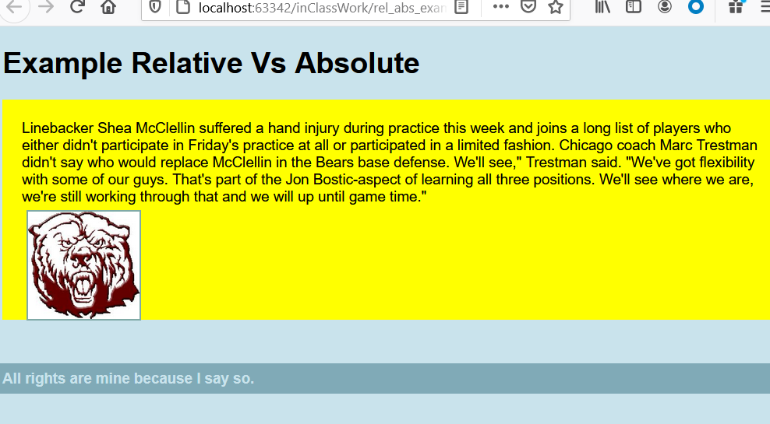

<!DOCTYPE html>
<html><head>
<title> Sample Page </title>
<link rel="stylesheet" type="text/css" href="relative_example.css">
</head>
<body>
<h1> Example Relative Vs Absolute </h1>
<div class='container'>
Linebacker Shea McClellin suffered a hand injury during practice this week and joins a long list of players who either didn’t participate in Friday’s practice at all or participated in a limited fashion.
Chicago coach Marc Trestman didn't say who would replace McClellin in the Bears base defense.
We'll see," Trestman said. "We've got flexibility with some of our guys.
That's part of the Jon Bostic-aspect of learning all three positions.
We'll see where we are, we're still working through that and we will up until game time."
<br /> <img src='bears.jpg'>
</div>
<div class='footer'>
All rights are mine because I say so.
</div>
</body>
</html>

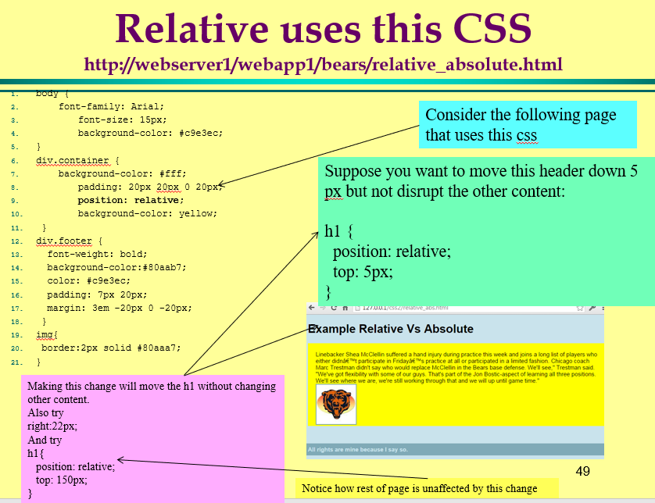

body {
font-family: Arial;
font-size: 15px;
background-color: #c9e3ec;
}
div.container {
background-color: #fff;
padding: 20px 20px 0 20px;
position: relative;
background-color: yellow;
}
div.footer {
font-weight: bold;
background-color:#80aab7;
color: #c9e3ec;
padding: 7px 20px;
margin: 3em -20px 0 -20px;
}
img{
border:2px solid #80aaa7;
}

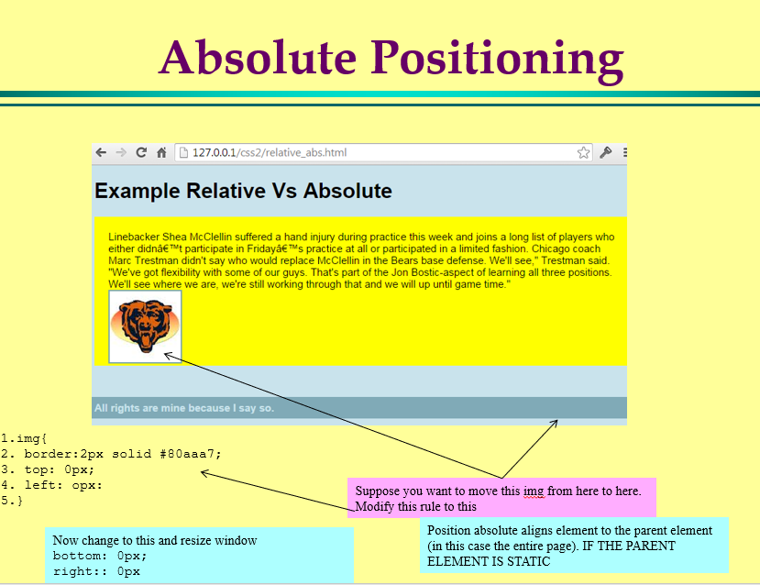

move to here

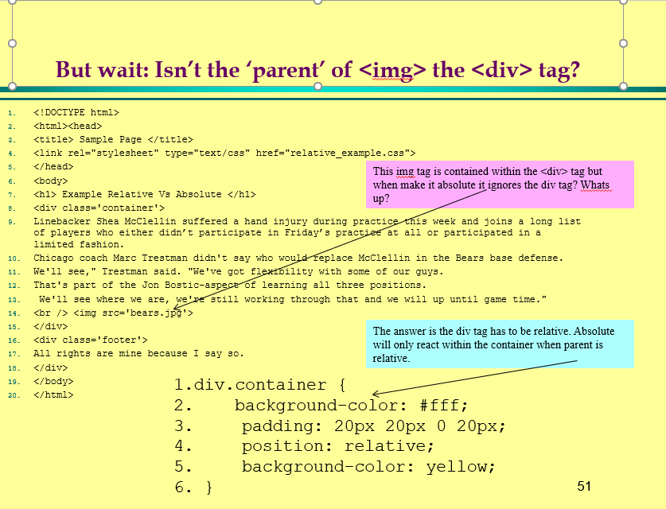

Change these to semantic tags

Fixed
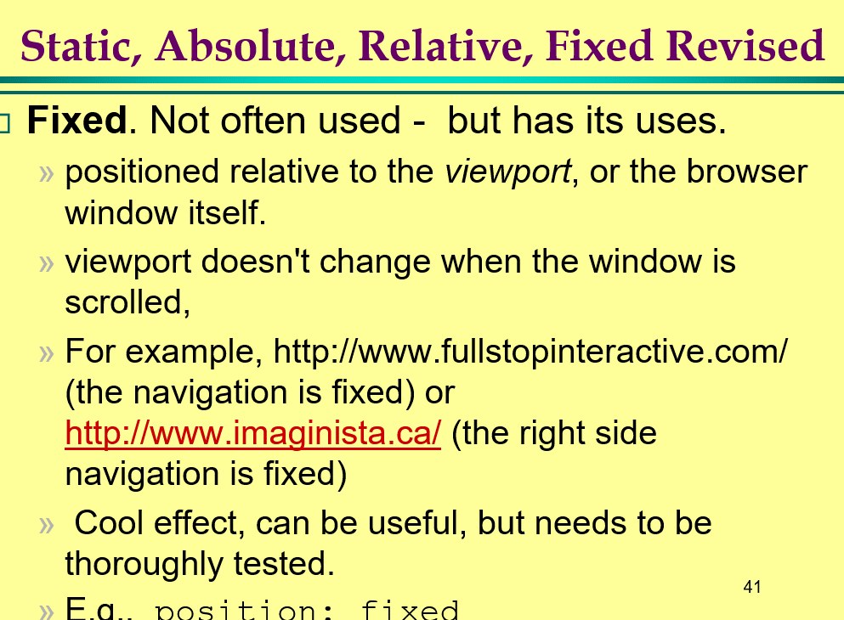

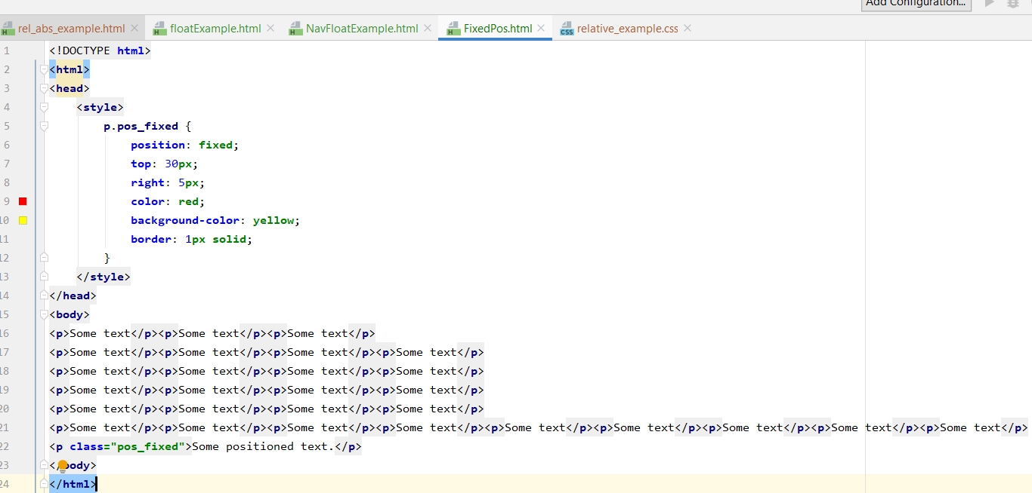

Float
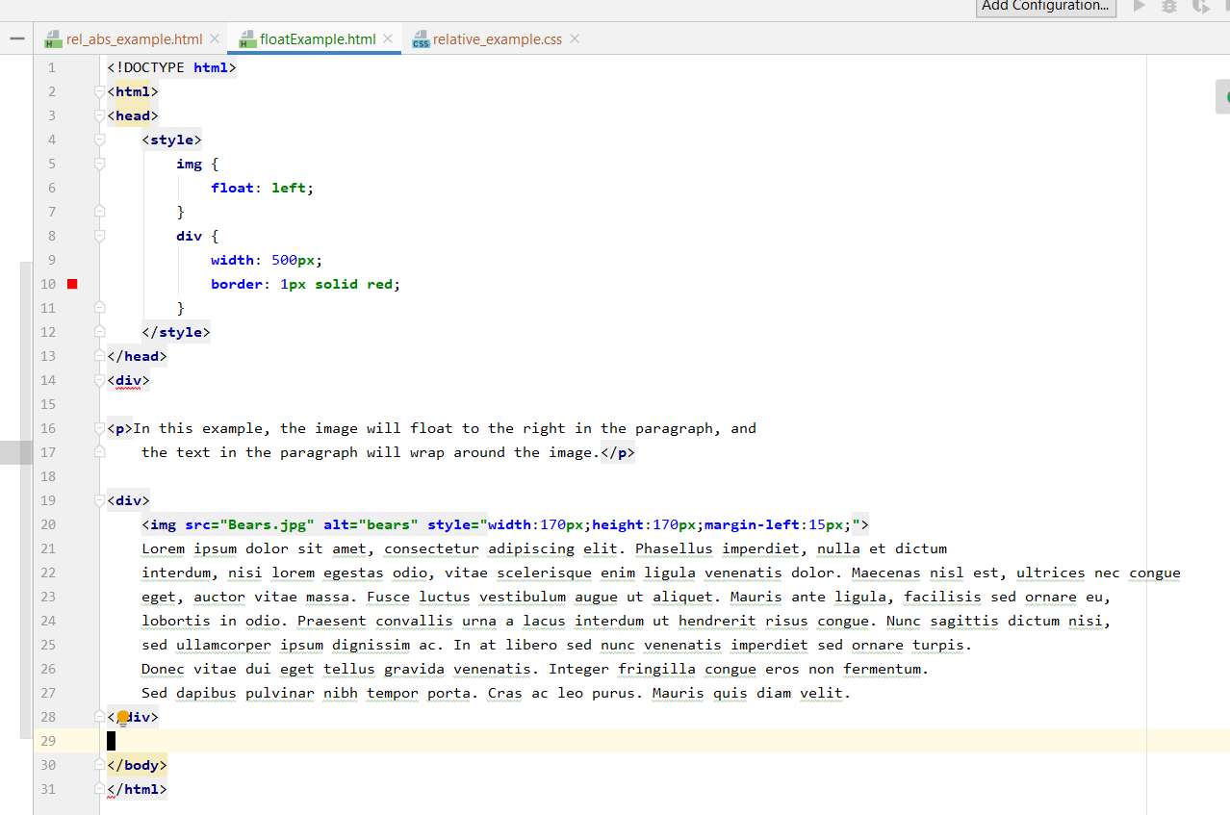

Layout
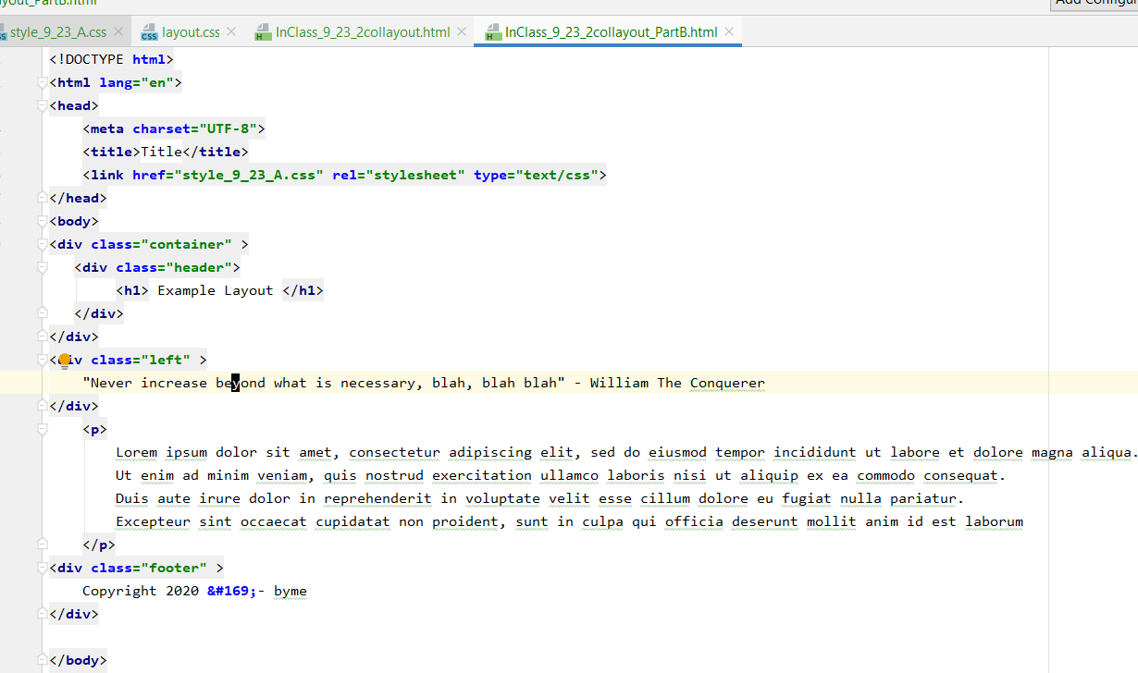
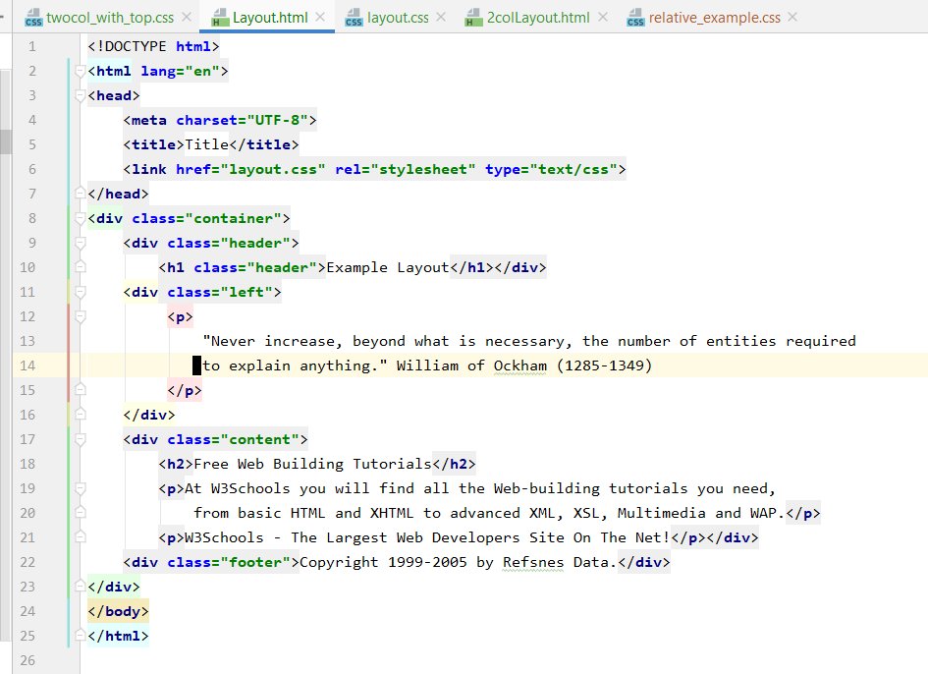
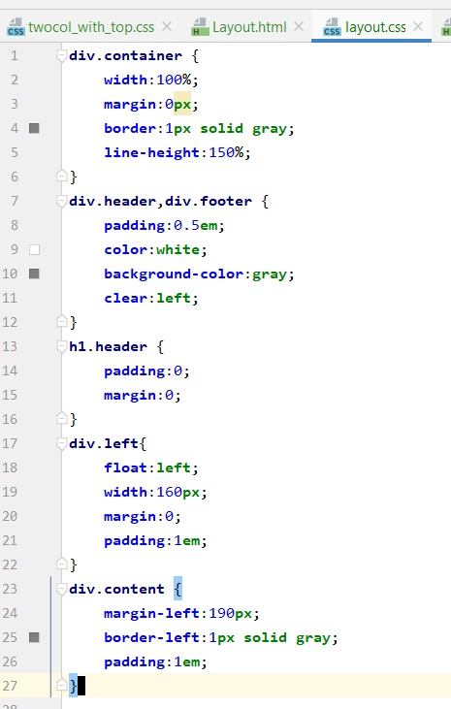
<!DOCTYPE html>
<html lang="en">
<head>
<meta charset="UTF-8">
<title>Title</title>
<link href="layout.css" rel="stylesheet" type="text/css">
</head>
<div class="container">
<div class="header">
<h1 class="header">Example Layout</h1></div>
<div class="left">
<p>
"Never increase, beyond what is necessary, the number of entities required
to explain anything." William of Ockham (1285-1349)
</p>
</div>
<div class="content">
<h2>Free Web Building Tutorials</h2>
<p>At W3Schools you will find all the Web-building tutorials you need,
from basic HTML and XHTML to advanced XML, XSL, Multimedia and WAP.</p>
<p>W3Schools - The Largest Web Developers Site On The Net!</p></div>
<div class="footer">Copyright 1999-2005 by Refsnes Data.</div>
</div>
</body>
</html>

div.container { width:100%; margin:0px; border:1px solid gray; line-height:150%; } div.header,div.footer { padding:0.5em; color:white; background-color:gray; clear:left; } h1.header { padding:0; margin:0; } div.left{ float:left; width:160px; margin:0; padding:1em; } div.content { margin-left:190px; border-left:1px solid gray; padding:1em; }

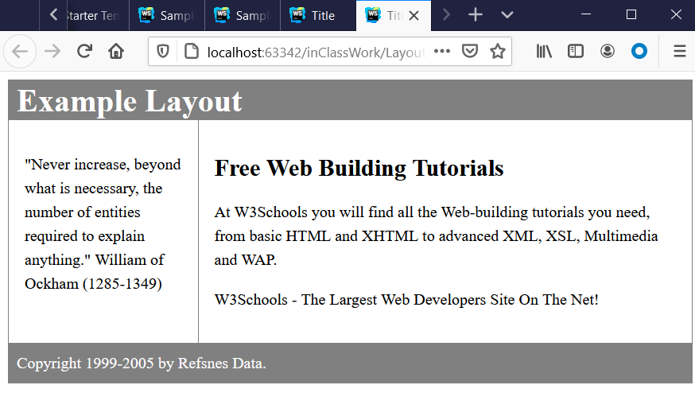

Left off

